HOW TO USE THIS TOOL
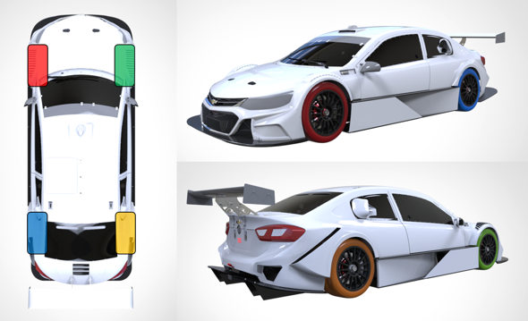
1) Inputs are in blue cells. Intermediate calculations and results in grey cells

2) ARB Stiffness can be defined as N/mm or N.m/deg by clicking on the unit cell

3) Vertical load (Fz) on each tire shown according to OptimumG color convention

WEIGHT TRANSFER MAIN
 | INPUTS |  |  |  |  | RESULTS SUMMARY |  |  |  |  | RESULTS DETAILS
 | Dim. | Wheel base |  | 1545 | mm | Roll | Suspended mass roll stiffness |  | 0.31 | °/g
 |  | Front track |  | 1248 |  |  | Roll angle |  | 0.49 | °Roll
 |  | Rear track |  | 1200 |  | Damper | Front Damper Force |  | 642.16 | N | NO TIRE COUPLING
 | Mass and Inertia | Total mass |  | 260.00 | kg |  | Rear Damper Force |  | 634.01 |  | Roll |  |  |  | Weight transfer
 |  | Total Mass distribution |  | 52.00 | % Fr |  | Front Damper Displacement |  | 14.67 | mm | Roll angle due to lat G |  | 0.49 | ° | Total W.T. | Front
 |  | Front non suspended mass (per wheel) |  | 8.00 | kg |  | Rear Damper Displacement |  | 16.09 |  | Roll moment |  | 627.2 | N.m |  | Lateral | 44.2 | kg
 |  | Rear non suspended mass (per wheel) |  | 8.00 | kg | M.N. | 1st magic number |  | 61.36 | N.m/N.m | Roll Gradient |  | 0.31 | °/g |  | Rear
 |  | Non suspended mass weight distribution |  | 50.00 | % Fr |  | 2nd magic number |  |  |  |  |  |  |  |  | Lateral | 34.5 | kg
 |  | Total mass CG height |  | 232 | mm |  | 3rd magic number |  | 58.63 |  | Anti-roll stiffness total |  | 1281.3 | N.m/° | NSM - W.T. | Front
 |  | Front non suspended mass CG height |  | 203 |  |  | 1st magic number |  | 60.42 | kg/kg | A-R stiffness coming from | Front springs | 786.2 | N.m/° |  | Lateral | 4.2 | kg
 |  | Rear non suspended mass CG height |  | 203 |  |  | 2nd magic number |  | 56.14 |  |  | Rear springs | 495.1 | N.m/° |  | Rear
 |  | Suspended mass |  | 228.00 | kg |  | 3rd magic number |  | 54.33 |  |  | Total | 1281.3 | N.m/° |  | Lateral | 4.3 | kg
 |  | Suspended mass weight distribution |  | 52.28 | % Fr |  |  |  |  |  | A-R stiffness coming from | Front ARB | 0.0 | N.m/° | El. W.T. | Front
 |  | Suspended mass CG coordinates | X | 737.26 | mm | NO TIRE COUPLING |  |  |  |  |  | Rear ARB | 0.0 | N.m/° |  | Lateral | 31.4 | kg
 |  |  | Y | 0.00 |  |  |  |  |  |  |  | Total | 0.0 | N.m/° |  | Rear
 |  |  | Z | 236.04 |  |  | Dynamic Load (kg) |  |  |  |  |  |  |  |  | Lateral | 20.6 | kg
 |  | Pitch Center coordinates | X | 532.58 | mm |  | 28.7 | 117.1 |  |  | Additional values |  |  |  | Geo. W.T. | Front
 |  |  | Y | 0.00 |  |  | 34.1 | 103.1 |  |  | Front wheel rate |  | 57.835 | N/mm |  | Lateral | 8.6 | kg
 |  |  | Z | 29.63 |  |  |  |  |  |  | Rear wheel rate |  | 39.397 | N/mm |  | Rear
 |  | Suspended mass roll inertia (ref SM CG) - Ixx |  | 200.00 | kg.m² |  | Dynamic Load (N) |  |  |  | Z Distance from SM CG to front roll axis |  | 180 | mm |  | Lateral | 9.6 | kg
 |  | Suspended mass pitch inertia (ref SM CG) - I |  | 1250.00 | kg.m² |  | 282.0 | 1148.4 |  |  | Z Distance from SM CG to rear roll axis |  | 170 | mm
 | Spring ARB Tire | Front spring stiffness |  | 43.78 | N/mm |  | 334.8 | 1011.7 |  |  | Z Distance from SM CG to roll axis @ SM CG |  | 175.27 | mm
 |  | Rear spring stiffness |  | 39.40 |  |  |  |  |  |  | Suspended mass inertia in roll - Iroll |  | 207.0 | kg.m²
 |  | Front SM Damping ratio @wheel |  | 0.7 |  |  |  |  |  |  | Distance between SM CG and Pitch Center |  | 290.69 | mm
 |  | Rear SM Damping ratio @wheel |  | 0.7 |  | TIRE COUPLING |  |  |  |  | Suspended mass inertia in pitch - Ipitch |  | 1269.27 | kg.m²
 |  | Front ARB stiffness |  | 0.00 | N/mm |  |  |  |  |  | Pitch Stiffness - Kpitch |  | 1982.21 | Nm/deg
 |  | Rear ARB stiffness |  | 0.00 |  |  | Dynamic Load (kg)
 |  | Front tire stiffness |  | 114.00 | N/mm |  | 30.1 | 115.7
 |  | Rear tire stiffness |  | 114.00 |  |  | 32.7 | 104.6 |  |  | TIRE COUPLING
 | M.R. | Front spring motion ratio |  | 0.870 | mm/mm |  |  |  |  |  | Roll |  |  |  | Weight transfer
 |  | Rear spring motion ratio |  | 1.000 |  |  | Dynamic Load (N) |  |  |  | Roll angle due to lat G |  | 0.71 | ° | Total W.T. | Front
 |  | Front anti roll bar motion ratio |  | 1.000 | mm/mm |  | 295.7 | 1134.8 |  |  | Roll moment |  | 627.2 | N.m |  | Lateral | 42.8 | kg
 |  | Rear anti roll bar motion ratio |  | 1.000 |  |  | 320.6 | 1025.9 |  |  | Roll Gradient |  | 0.44 | °/g |  | Rear
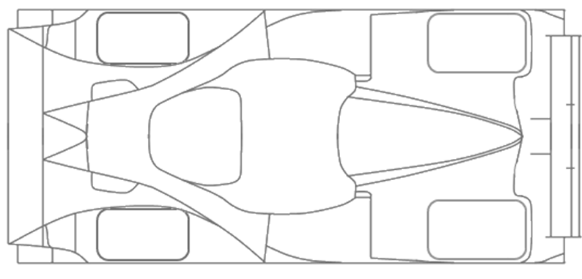
 | Roll | Front roll center height |  | 56.00 | mm |  |  |  |  |  |  |  |  |  |  | Lateral | 36.0 | kg
 |  | Rear roll center height |  | 66.00 |  |  |  |  |  |  | Anti-roll moment total |  | 889.5 | N.m/° | NSM - W.T. | Front
 |  |  |  |  |  |  |  |  |  |  | A-R moment coming from | Front springs | 786.2 | N.m/° |  | Lateral | 4.2 | kg
 | Aero | Down Force Coefficient |  | 2.7 | - |  |  |  |  |  |  | Rear springs | 495.1 | N.m/° |  | Rear
 |  | Down Force Distribution |  | 46 | % Fr |  |  |  |  |  |  | Total | 1281.3 | N.m/° |  | Lateral | 4.3 | kg
 |  | Air Density |  | 1.2255 | kg/m3 |  |  |  |  |  | A-R moment coming from | Front ARB | 0.0 | N.m/° | El. W.T. | Front
 |  | Frontal Area |  | 1.85 | m2 |  |  |  |  |  |  | Rear ARB | 0.0 | N.m/° |  | Lateral | 30.0 | kg
 |  | Speed |  | 30.96 | km/h |  |  |  |  |  |  | Total | 0.0 | N.m/° |  | Rear
 |  | Total Down Force |  | 23.08 | Kg |  |  |  |  |  | A-R moment coming from | Front Tires | 1549.6 | N.m/° |  | Lateral | 22.0 | kg
 |  |  |  |  |  |  |  |  |  |  |  | Rear Tires | 1432.7 | N.m/° | Geo. W.T. | Front
 |  |  |  |  |  |  |  |  |  |  |  | Total | 2982.3 | N.m/° |  | Lateral | 8.6 | kg
 | CASE TO SIMULATE |  |  |  |  |  |  |  |  |  | A-R in Series with tires | Front Axle | 521.6 | N.m/° |  | Rear
 | LATERAL G |  | 1.60 |  | G |  |  |  |  |  |  | Rear Axle | 368.0 | N.m/° |  | Lateral | 9.6 | kg
 |  |  |  |  |  |  |  |  |  |  |  | Total | 889.5 | N.m/°
 | ERROR MESSAGE BOX
 |  |  |  |  |  |  |  |  |  |  | Additional values
 |  |  |  |  |  |  |  |  |  |  | Front wheel rate (in series with tire) |  | 38.37 | N/mm
 |  |  |  |  |  |  |  |  |  |  | Rear wheel rate (in series with tire) |  | 29.28 | N/mm

N/mm
N.m/deg

LONGITUDINAL WEIGHT TRANSFER
WEIGHT TRANSFER |  |  |  |  | NO TIRE COUPLING |  |  | STATIC DISPLACEMENTS
Total W.T. |  |  |  |  |  |  |  | Front Wheel Vertical Displacement | 10.10 | mm
 | Longitudinal |  | 39.04 | kg |  | Dynamic Load (kg) |  | Rear Wheel Vertical Displacement | 13.53
NSM - W.T. |  |  |  |  |  | 92.4 | 92.4 | Front Damper Displacement | 11.61
 | Longitudinal |  | 4.21 | kg |  | 49.1 | 49.1 | Rear Damper Displacement | 13.53
El. W.T.
 | Longitudinal |  | 30.46 | kg |  | Dynamic Load (N)
Geo. W.T. |  |  |  |  |  | 905.8 | 905.8 | STATIC COILOEVER FORCES
 | Longitudinal |  | 4.37 | kg |  | 481.3 | 481.3 | Front Damper | 508.15 | N
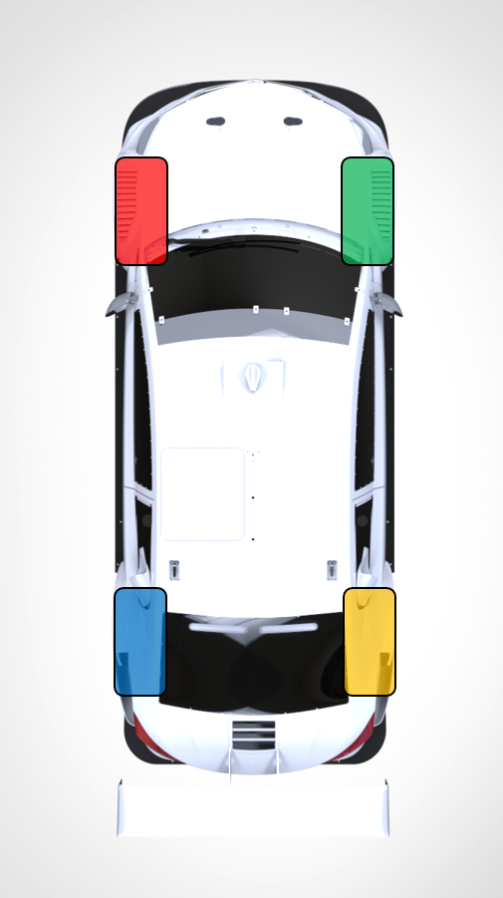
 |  |  |  |  |  |  |  | Rear Damper | 533.12
DYNAMIC DISPLACEMENTS
 | Front Wheel Vertical Displacement |  | 12.68 | mm
 | Rear Wheel Vertical Displacement |  | 9.74
 | Front Damper Displacement |  | 14.57
 | Rear Damper Displacement |  | 9.74

DELTA DISPLACEMENTS
Positive Compression | Front Wheel |  | 2.58 | mm
 | Rear Wheel |  | -3.79
 | Front Damper |  | 2.97
 | Rear Damper |  | -3.79

COILOVER FORCES
 | Front Damper |  | 638.00 | N
 | Rear Damper |  | 383.86

PITCH MOMENT AND ANGLE
 | Pitch Moment |  | 461.20 | N-m
 | Pitch Angle |  | 0.23 | deg

CASE TO SIMULATE
Long G |  | 1.00 |  | G

ERROR MESSAGE BOX

g_earth | 9.8 | m/s^2
NOTE: Braking G's are positive

